Income Source
0%
1,225
Company Website
=
Licensing
Income Source
 | Total
Jan | 12,987
Feb | 11,728
Mar | 11,526
Apr | 11,790
May | 12,110
Jun | 11,122
Jul | 11,526
Aug | 12,196
Sep | 11,981
Oct | 13,236
Nov | 12,449
Dec | 11,526
 | Sum of Income | Sum of Income2
B2B | 459,823 | 63.79%
B2C | 261,060 | 36.21%
Average
Monthly Income
60,074
x̅
 | Facebook Page
1225
 | Income Source | Max
1 | 3 | 3
7 | 2 | 2
4 | 1 | 1
2 | 8 | 8
6 | 6 | 6
5 | 9 | 9
4%
Grand total of income and their breakdowns showing
the achievements percentage and highlight for most valuable source ,marketing strategies and operating profit.
Facebook Page
28,379

16%
4%
Google Ad
27,919

Advertising

22%
157,387
4%
Television Ad
31,528

Licensing
4%
Financial Statistics
Youtube Channel
28,491
14%
8%

898,932
Income Target
720,883
Floating License
100,400
Software Metered License
56,987

11%

 |  | Series2
 | 1 | 80%
 | 1 | 20%
 | 1
 | 1
 | 1
 | 1
 | 1
 | 1
 | 1
 | 1
 | 1
 | 1
 | 1
 | 1
 | 1
 | 1
 | 1
 | 1
 | 1
 | 1
 | 1
 | 1
 | 1
 | 1
 | 1
 | 1
 | 1
 | 1
 | 1
 | 1
 | 1
 | 1
 | 1
 | 1
 | 1
 | 1
 | 1
 | 1
 | 1
 | 1
 | 1
 | 1
 | 1
 | 1
 | 1
 | 1
 | 1
 | 1
 | 1
 | 1
...
Asset sale

 | Sum of Income2 | Sum of Income
Jan | 64934.67 | 64,935
Feb | 58642.05 | 58,642
Mar | 57630.7 | 57,631
Apr | 58950.7 | 58,951
May | 60548.14 | 60,548
Jun | 55608 | 55,608
Jul | 57630.7 | 57,631
Aug | 60977.8225 | 60,978
Sep | 59906.11 | 59,906
Oct | 66177.665 | 66,178
Nov | 62246.085 | 62,246
Dec | 57630.7 | 57,631

80%
Income
Achieved

Quantity of Items
Usage fees

Usage fees
Subscription
Renting
Licensing
Asset sale
Advertising
10.12%
11.26%
14.07%
62.10%
0.02%
2.43%
11,856
13,188
16,488
72,768
26
2,844
•
Subscription

25%
•

•
Renting
18%

12%
12%
•
New
88,900
Renewal
88,200
8%
10%

•
8%
Premium
58,148
Prime
72,081

•
8%
0%
Equipments
57,444
0%
Offices
1,270

Lands
2,490

Geografically
Financial Statistics
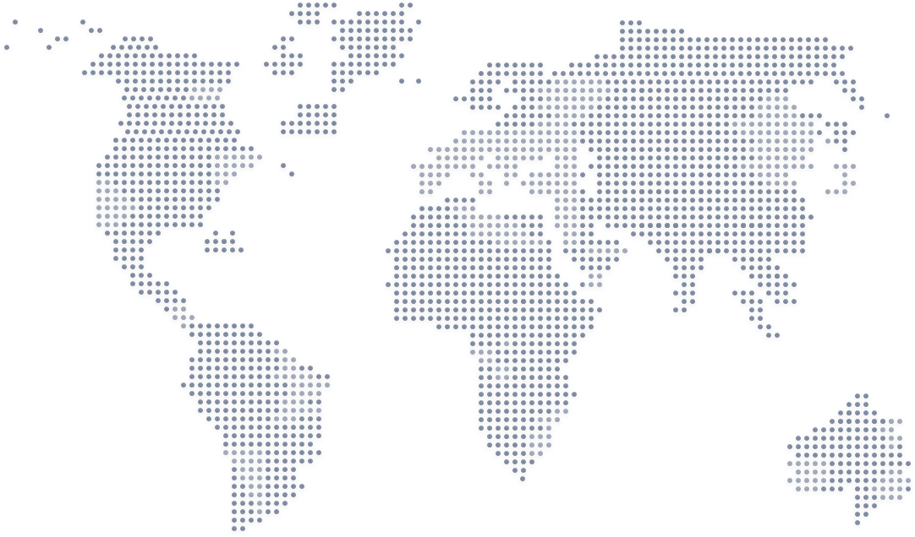

$1,169,400
F=F
187,412
Russia
125,960
Canada
167,840
United Kingdom

 | 0% | 0% | 0% | 0%
 | 16% | 14% | 11% | 11%

364236
 | 126472
Egypt
31.15%

USA
197480
16.89%
197,480
USA
16.03%
Russia
187412

United Kingdom
167840
14.35%
364,236
Egypt

Brazil
126472
10.82%

Canada
125960
10.77%

 |  | Y&X
 | 0.34319081072 | 1
 |  | -0.55264544982
 | 0.65680918928

126,472
Brazil

66%

Sales Process
1619

◦
Branches
| | ◦ | 0
Register
Customer Info
272

Credit Card
◦

.
 | 1st | 2nd | 3d
 | 1 | 72% | 1
 | 1 | 28% | -0.1929048082
 | 1
 | 1
 | 1
 | 1
 | 1
 | 1
 | 1
 | 1
 | 1
 | 1
 | 1
 | 1
 | 1
 | 1
 | 1
 | 1
 | 1
 | 1
 | 1
 | 1
 | 1
 | 1
 | 1
 | 1
 | 1
 | 1
 | 1
 | 1
 | 1
 | 1
 | 1
 | 1
 | 1
 | 1
 | 1
 | 1
 | 1
 | 1
 | 1
 | 1
 | 1
 | 1
 | 1
 | 1
 | 1
 | 1
 | 1
 | 1
...
|

37
|

◦
Customers
◦
◦
 |  |  | Paid
 |  |  | Orders
◦

|

◦
◦

|

◦
Non-Registered Customer Info
Cash

Website

1496

